EMFAC - Pathways vehicles
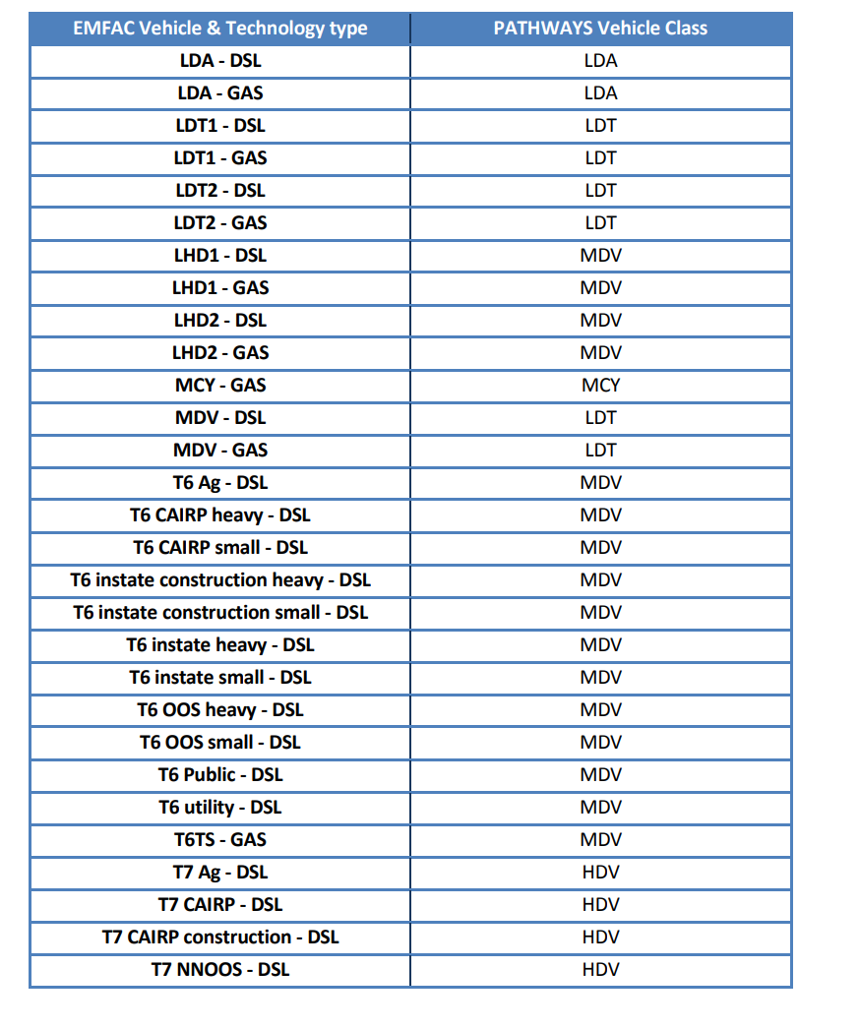
Row # | EPS/E3 categories |  |  |  | Excerpt from California Pathways guidebook.
1 | Bus | All Other Buses | DSL | Notes
2 | LD | LDA | GAS
3 | LD | LDA | DSL
4 | LD | LDA | ELEC
5 | LD | LDT1 | GAS
6 | LD | LDT1 | DSL
7 | LD | LDT1 | ELEC
8 | LD | LDT2 | GAS
9 | LD | LDT2 | DSL
10 | LD | LDT2 | ELEC
11 | MD | LHD1 | GAS
12 | MD | LHD1 | DSL
13 | MD | LHD2 | GAS
14 | MD | LHD2 | DSL
15 | MD | MCY | GAS
16 | LD | MDV | GAS
17 | LD | MDV | DSL
18 | LD | MDV | ELEC
19 |  | MH | GAS | appears to be excluded
20 |  | MH | DSL | appears to be excluded
21 | Bus | Motor Coach | DSL
22 | Bus | OBUS | GAS
23 | Bus | PTO | DSL
24 | Bus | SBUS | GAS
25 | Bus | SBUS | DSL
26 | MD | T6 Ag | DSL
27 | MD | T6 CAIRP heavy | DSL
28 | MD | T6 CAIRP small | DSL
29 | MD | T6 instate construction heavy | DSL
30 | MD | T6 instate construction small | DSL
31 | MD | T6 instate heavy | DSL
32 | MD | T6 instate small | DSL
33 | MD | T6 OOS heavy | DSL
34 | MD | T6 OOS small | DSL
35 | MD | T6 Public | DSL
36 | MD | T6 utility | DSL
37 | MD | T6TS | GAS
38 | HD | T7 Ag | DSL
39 | HD | T7 CAIRP | DSL
40 | HD | T7 CAIRP construction | DSL
41 | HD | T7 NNOOS | DSL
42 | HD | T7 NOOS | DSL
43 | HD | T7 other port | DSL
44 | HD | T7 POAK | DSL
45 | HD | T7 POLA | DSL
46 | HD | T7 Public | DSL
47 | HD | T7 Single | DSL
48 | HD | T7 single construction | DSL
49 | HD | T7 SWCV | DSL
50 | HD | T7 SWCV | NG
51 | HD | T7 tractor | DSL
52 | HD | T7 tractor construction | DSL
53 | HD | T7 utility | DSL
54 | HD | T7IS | GAS
55 | Bus | UBUS | GAS
56 | Bus | UBUS | DSL
57 | Bus | UBUS | NG

